Data Structure
item | Analytics Diemensions | Details
1 | vin | full vin listed
2 | build | get from perperty, os version
3 | ccpufpn | dapeng & jiawei to sharethe new peoperty
4 | vmcufpn | dapeng & jiawei to sharethe new peoperty
5 | ignitionstate | Will be included one of off/accessory/run/start/invalid
6 | speed | real time speed
7 | eventid | Combination of event categority and event action
8 | attributes | be flexible to attach the wanted data per events' attributes, refer to dictionary in following pages
9 | time
10 | vehicletotaluptime | how long the vehicles stay at that version sw, not a J1 diemension
11 | uptime
12 | user ID | Ford GUID, @jiawei output the interface to NA for reading
13 | bootcount | IVI itselt boot times at an ignition cycle
14 | fesn | NA know how to read
 |  |  |  | phase5 ECG master

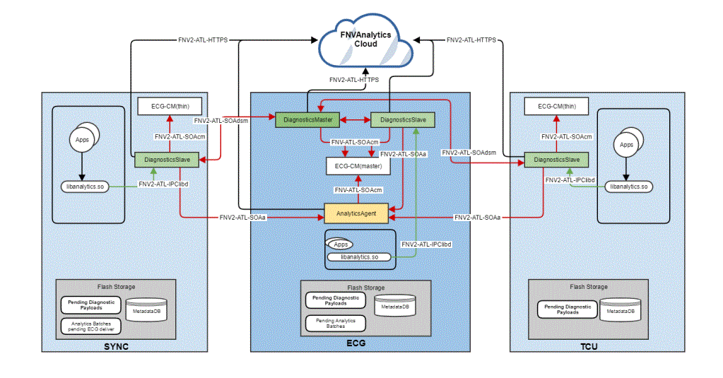
 | vehicle | decode the VIN in clode side | click

 |  |  |  | bootcount | 1
 |  |  |  | uptime | 30s

 |  |  | 10s later click
 |  |  |  | bootcount | 1
 |  |  |  | uptime | 40s

 |  |  | 10s later reboot
 |  |  |  | bootcount | 2
 |  |  |  | uptime | 0

Hardbutton - TS - ZT
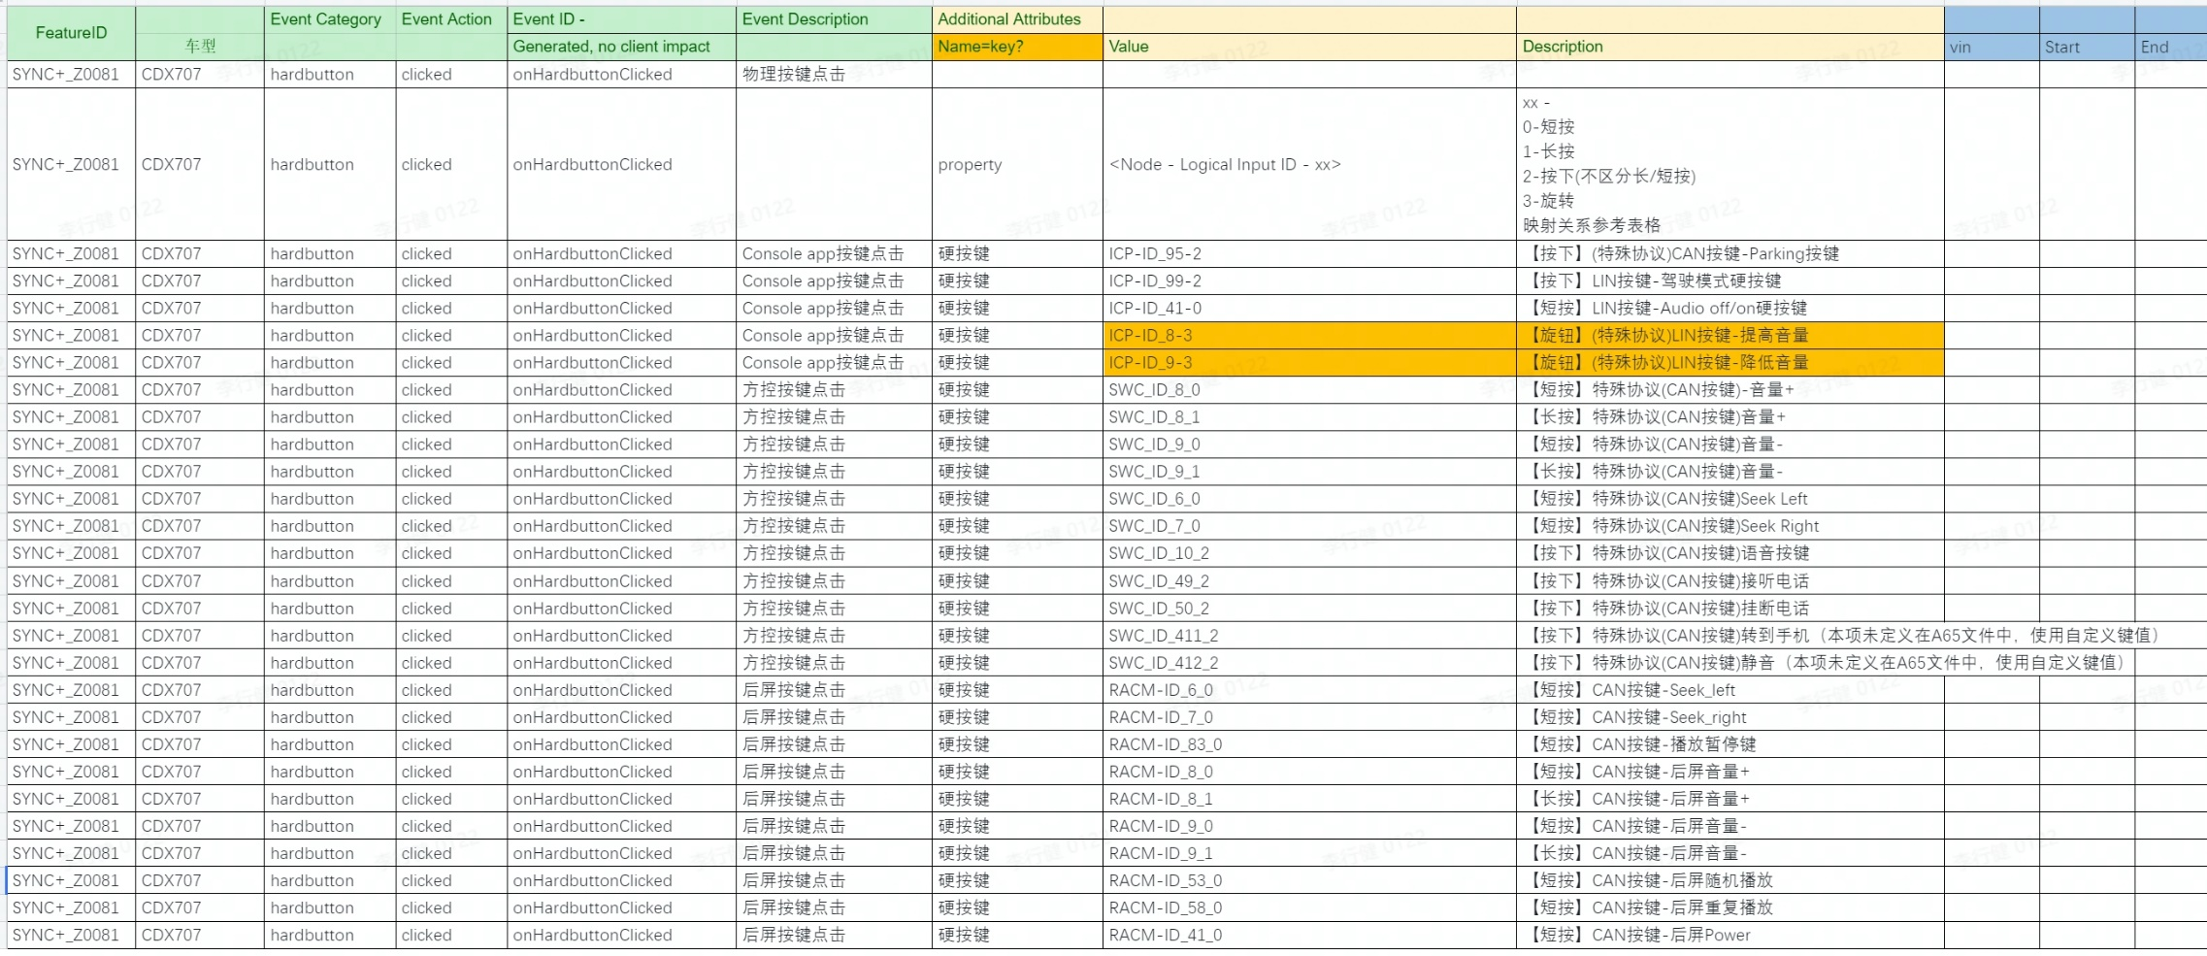
Event Category | Event Action | Event ID - | Event Description | Additional Attributes
 |  | Generated, no client impact |  | Name | Value | Description
hardbutton | clicked |  | 物理按键点击
 |  |  |  | property | <Node - Logical Input ID - xx> | xx - 0, 长按 1，短按 映射关系参考表格

payment - baidu -kanbing
Event Category | Event Action | Event ID - | Event Description | Additional Attributes |  | Test Case |  | Test Result | Reason
 |  | Generated, no client impact |  | Key | Value | Description
baidupayment | payed | onBaidupaymentPayed | baidu模块支付状态
 |  |  |  | issuccess | <true|false> | 支付是否成功 | step1：打开爱奇艺会员下单 step2：返回下单页面 step3：查看日志里面的issuccess为false | 07-20 14:50:08.181 928 11310 I AnalyticsEventBuilder: Create AnalyticsEventBuilder: baidupayment|payed 07-20 14:50:08.183 928 938 I AnalyticsEventBuilder: AddAttribute: issuccess|false 07-20 14:50:08.184 928 938 I AnalyticsEventBuilder: AddAttribute: amount|30.00 07-20 14:50:08.186 928 938 I AnalyticsEventBuilder: AddAttribute: orderdetails|710504175644874 07-20 14:50:08.186 928 938 I AnalyticsEventBuilder: AddAttribute: property|1745250905 07-20 14:50:08.188 928 938 I AnalyticsEventBuilder: SetDescription: 取消支付 07-20 14:50:08.190 928 938 I AnalyticsEventBuilder: Build |  | pass
 |  |  |  |  |  |  | step1：打开爱奇艺会员下单 step2：手机成功支付 step3：查看日志里面的issuccess为true
 |  |  |  |  |  |  | step1：打开喜马拉雅下单 step2：返回下单页面 step3：查看日志里面的issuccess为false | 07-20 14:47:34.436 928 11310 I AnalyticsEventBuilder: Create AnalyticsEventBuilder: baidupayment|payed 07-20 14:47:34.441 928 11310 I AnalyticsEventBuilder: AddAttribute: issuccess|false 07-20 14:47:34.445 928 11310 I AnalyticsEventBuilder: AddAttribute: amount|0.15 07-20 14:47:34.447 928 11310 I AnalyticsEventBuilder: AddAttribute: orderdetails|710503533916360 07-20 14:47:34.448 928 11310 I AnalyticsEventBuilder: AddAttribute: property|1359143645 07-20 14:47:34.449 928 11310 I AnalyticsEventBuilder: SetDescription: 取消支付 07-20 14:47:34.450 928 11310 I AnalyticsEventBuilder: Build |  | pass
 |  |  |  |  |  |  | step1：打开喜马拉雅下单 step2：手机成功支付 step3：查看日志里面的issuccess为true | 07-20 14:49:27.048 928 11310 I AnalyticsEventBuilder: Create AnalyticsEventBuilder: baidupayment|payed 07-20 14:49:27.050 928 11310 I AnalyticsEventBuilder: AddAttribute: issuccess|true 07-20 14:49:27.052 928 11310 I AnalyticsEventBuilder: AddAttribute: type|seamless 07-20 14:49:27.053 928 938 I AnalyticsEventBuilder: AddAttribute: amount|0.15 07-20 14:49:27.055 928 938 I AnalyticsEventBuilder: AddAttribute: orderdetails|710504033038537 07-20 14:49:27.056 928 938 I AnalyticsEventBuilder: AddAttribute: property|1359143645 07-20 14:49:27.058 928 938 I AnalyticsEventBuilder: SetDescription: 支付成功 07-20 14:49:27.060 928 938 I AnalyticsEventBuilder: Build |  | pass
 |  |  |  |  |  |  | step1：打开电影票下单 step2：返回下单页面 step3：查看日志里面的issuccess为false | 07-20 14:52:05.786 928 11310 I AnalyticsEventBuilder: Create AnalyticsEventBuilder: baidupayment|payed 07-20 14:52:05.788 928 11310 I AnalyticsEventBuilder: AddAttribute: issuccess|false 07-20 14:52:05.790 928 11310 I AnalyticsEventBuilder: AddAttribute: amount|44.00 07-20 14:52:05.791 928 11310 I AnalyticsEventBuilder: AddAttribute: orderdetails|710504687383245 07-20 14:52:05.796 928 11310 I AnalyticsEventBuilder: AddAttribute: property|1795346393 07-20 14:52:05.800 928 938 I AnalyticsEventBuilder: SetDescription: 取消支付 07-20 14:52:05.804 928 938 I AnalyticsEventBuilder: Build |  | pass
 |  |  |  |  |  |  | step1：打开电影票下单 step2：手机成功支付 step3：查看日志里面的issuccess为true
 |  |  |  |  |  |  | step1：打开加油下单 step2：返回下单页面 step3：查看日志里面的issuccess为false | 07-20 14:51:06.167 928 938 I AnalyticsEventBuilder: Create AnalyticsEventBuilder: baidupayment|payed 07-20 14:51:06.170 928 938 I AnalyticsEventBuilder: AddAttribute: issuccess|false 07-20 14:51:06.173 928 938 I AnalyticsEventBuilder: AddAttribute: amount|94.99 07-20 14:51:06.175 928 938 I AnalyticsEventBuilder: AddAttribute: orderdetails|710504431493375 07-20 14:51:06.178 928 938 I AnalyticsEventBuilder: AddAttribute: property|151138013 07-20 14:51:06.180 928 938 I AnalyticsEventBuilder: SetDescription: 取消支付 07-20 14:51:06.182 928 11310 I AnalyticsEventBuilder: Build |  | pass
 |  |  |  |  |  |  | step1：打开加油下单 step2：手机成功支付 step3：查看日志里面的issuccess为true
 |  |  |  | type | <aggregate|seamless> | 仅在支付成功时填写
 |  |  |  |  |  |  | step1：打开爱奇艺会员下单 step2：手机聚合扫码成功支付 step3：查看日志里面的key为aggregate
 |  |  |  |  |  |  | step1：打开爱奇艺会员下单 step2：手机免密成功支付 step3：查看日志里面的key为seamless
 |  |  |  |  |  |  | step1：打开喜马拉雅下单 step2：手机聚合扫码成功支付 step3：查看日志里面的key为aggregate | 07-20 14:48:06.198 928 938 I AnalyticsEventBuilder: Create AnalyticsEventBuilder: baidupayment|payed 07-20 14:48:06.200 928 938 I AnalyticsEventBuilder: AddAttribute: issuccess|true 07-20 14:48:06.201 928 938 I AnalyticsEventBuilder: AddAttribute: type|aggregate 07-20 14:48:06.202 928 11310 I AnalyticsEventBuilder: AddAttribute: amount|0.15 07-20 14:48:06.204 928 11310 I AnalyticsEventBuilder: AddAttribute: orderdetails|710503626212071 07-20 14:48:06.205 928 11310 I AnalyticsEventBuilder: AddAttribute: property|1359143645 07-20 14:48:06.208 928 11310 I AnalyticsEventBuilder: SetDescription: 支付成功 07-20 14:48:06.212 928 11310 I AnalyticsEventBuilder: Build |  | pass
 |  |  |  |  |  |  | step1：打开喜马拉雅下单 step2：手机免密成功支付 step3：查看日志里面的key为seamless | 07-20 14:49:27.048 928 11310 I AnalyticsEventBuilder: Create AnalyticsEventBuilder: baidupayment|payed 07-20 14:49:27.050 928 11310 I AnalyticsEventBuilder: AddAttribute: issuccess|true 07-20 14:49:27.052 928 11310 I AnalyticsEventBuilder: AddAttribute: type|seamless 07-20 14:49:27.053 928 938 I AnalyticsEventBuilder: AddAttribute: amount|0.15 07-20 14:49:27.055 928 938 I AnalyticsEventBuilder: AddAttribute: orderdetails|710504033038537 07-20 14:49:27.056 928 938 I AnalyticsEventBuilder: AddAttribute: property|1359143645 07-20 14:49:27.058 928 938 I AnalyticsEventBuilder: SetDescription: 支付成功 07-20 14:49:27.060 928 938 I AnalyticsEventBuilder: Build
 |  |  |  |  |  |  | step1：打开电影票下单 step2：手机聚合扫码成功支付 step3：查看日志里面的key为aggregate
 |  |  |  |  |  |  | step1：打开加油下单 step2：手机聚合扫码成功支付 step3：查看日志里面的key为aggregate
 |  |  |  |  |  |  | step1：打开加油下单 step2：手机免密成功支付 step3：查看日志里面的key为seamless
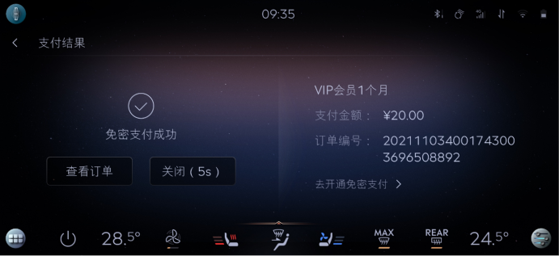
 |  |  |  | amount | <xxx> | 订单金额 | step1：打开爱奇艺会员下单 step2：查看日志里面的amount为下单金额 | 07-20 14:50:08.181 928 11310 I AnalyticsEventBuilder: Create AnalyticsEventBuilder: baidupayment|payed 07-20 14:50:08.183 928 938 I AnalyticsEventBuilder: AddAttribute: issuccess|false 07-20 14:50:08.184 928 938 I AnalyticsEventBuilder: AddAttribute: amount|30.00 07-20 14:50:08.186 928 938 I AnalyticsEventBuilder: AddAttribute: orderdetails|710504175644874 07-20 14:50:08.186 928 938 I AnalyticsEventBuilder: AddAttribute: property|1745250905 07-20 14:50:08.188 928 938 I AnalyticsEventBuilder: SetDescription: 取消支付 07-20 14:50:08.190 928 938 I AnalyticsEventBuilder: Build |  | pass
 |  |  |  |  |  |  | step1：打开喜马拉雅下单 step2：查看日志里面的amount为下单金额 | 07-20 14:47:34.436 928 11310 I AnalyticsEventBuilder: Create AnalyticsEventBuilder: baidupayment|payed 07-20 14:47:34.441 928 11310 I AnalyticsEventBuilder: AddAttribute: issuccess|false 07-20 14:47:34.445 928 11310 I AnalyticsEventBuilder: AddAttribute: amount|0.15 07-20 14:47:34.447 928 11310 I AnalyticsEventBuilder: AddAttribute: orderdetails|710503533916360 07-20 14:47:34.448 928 11310 I AnalyticsEventBuilder: AddAttribute: property|1359143645 07-20 14:47:34.449 928 11310 I AnalyticsEventBuilder: SetDescription: 取消支付 07-20 14:47:34.450 928 11310 I AnalyticsEventBuilder: Build |  | pass
 |  |  |  |  |  |  | step1：打开电影票下单 step2：查看日志里面的amount为下单金额 | 07-20 14:52:05.786 928 11310 I AnalyticsEventBuilder: Create AnalyticsEventBuilder: baidupayment|payed 07-20 14:52:05.788 928 11310 I AnalyticsEventBuilder: AddAttribute: issuccess|false 07-20 14:52:05.790 928 11310 I AnalyticsEventBuilder: AddAttribute: amount|44.00 07-20 14:52:05.791 928 11310 I AnalyticsEventBuilder: AddAttribute: orderdetails|710504687383245 07-20 14:52:05.796 928 11310 I AnalyticsEventBuilder: AddAttribute: property|1795346393 07-20 14:52:05.800 928 938 I AnalyticsEventBuilder: SetDescription: 取消支付 07-20 14:52:05.804 928 938 I AnalyticsEventBuilder: Build |  | pass
 |  |  |  |  |  |  | step1：打开加油下单 step2：查看日志里面的amount为下单金额 | 07-20 14:51:06.167 928 938 I AnalyticsEventBuilder: Create AnalyticsEventBuilder: baidupayment|payed 07-20 14:51:06.170 928 938 I AnalyticsEventBuilder: AddAttribute: issuccess|false 07-20 14:51:06.173 928 938 I AnalyticsEventBuilder: AddAttribute: amount|94.99 07-20 14:51:06.175 928 938 I AnalyticsEventBuilder: AddAttribute: orderdetails|710504431493375 07-20 14:51:06.178 928 938 I AnalyticsEventBuilder: AddAttribute: property|151138013 07-20 14:51:06.180 928 938 I AnalyticsEventBuilder: SetDescription: 取消支付 07-20 14:51:06.182 928 11310 I AnalyticsEventBuilder: Build |  | pass
 |  |  |  | orderdetails | <xxx> | 订单详情，编号 | step1：打开爱奇艺会员下单 step2：查看日志里面的orderdetails为下单的订单编号 | 07-20 14:50:08.181 928 11310 I AnalyticsEventBuilder: Create AnalyticsEventBuilder: baidupayment|payed 07-20 14:50:08.183 928 938 I AnalyticsEventBuilder: AddAttribute: issuccess|false 07-20 14:50:08.184 928 938 I AnalyticsEventBuilder: AddAttribute: amount|30.00 07-20 14:50:08.186 928 938 I AnalyticsEventBuilder: AddAttribute: orderdetails|710504175644874 07-20 14:50:08.186 928 938 I AnalyticsEventBuilder: AddAttribute: property|1745250905 07-20 14:50:08.188 928 938 I AnalyticsEventBuilder: SetDescription: 取消支付 07-20 14:50:08.190 928 938 I AnalyticsEventBuilder: Build |  | pass
 |  |  |  |  |  |  | step1：打开喜马拉雅下单 step2：查看日志里面的orderdetails为下单的订单编号 | 07-20 14:47:34.436 928 11310 I AnalyticsEventBuilder: Create AnalyticsEventBuilder: baidupayment|payed 07-20 14:47:34.441 928 11310 I AnalyticsEventBuilder: AddAttribute: issuccess|false 07-20 14:47:34.445 928 11310 I AnalyticsEventBuilder: AddAttribute: amount|0.15 07-20 14:47:34.447 928 11310 I AnalyticsEventBuilder: AddAttribute: orderdetails|710503533916360 07-20 14:47:34.448 928 11310 I AnalyticsEventBuilder: AddAttribute: property|1359143645 07-20 14:47:34.449 928 11310 I AnalyticsEventBuilder: SetDescription: 取消支付 07-20 14:47:34.450 928 11310 I AnalyticsEventBuilder: Build |  | pass
 |  |  |  |  |  |  | step1：打开电影票下单 step2：查看日志里面的orderdetails为下单的订单编号 | 07-20 14:52:05.786 928 11310 I AnalyticsEventBuilder: Create AnalyticsEventBuilder: baidupayment|payed 07-20 14:52:05.788 928 11310 I AnalyticsEventBuilder: AddAttribute: issuccess|false 07-20 14:52:05.790 928 11310 I AnalyticsEventBuilder: AddAttribute: amount|44.00 07-20 14:52:05.791 928 11310 I AnalyticsEventBuilder: AddAttribute: orderdetails|710504687383245 07-20 14:52:05.796 928 11310 I AnalyticsEventBuilder: AddAttribute: property|1795346393 07-20 14:52:05.800 928 938 I AnalyticsEventBuilder: SetDescription: 取消支付 07-20 14:52:05.804 928 938 I AnalyticsEventBuilder: Build |  | pass
 |  |  |  |  |  |  | step1：打开加油下单 step2：查看日志里面的orderdetails为下单的订单编号 | 07-20 14:51:06.167 928 938 I AnalyticsEventBuilder: Create AnalyticsEventBuilder: baidupayment|payed 07-20 14:51:06.170 928 938 I AnalyticsEventBuilder: AddAttribute: issuccess|false 07-20 14:51:06.173 928 938 I AnalyticsEventBuilder: AddAttribute: amount|94.99 07-20 14:51:06.175 928 938 I AnalyticsEventBuilder: AddAttribute: orderdetails|710504431493375 07-20 14:51:06.178 928 938 I AnalyticsEventBuilder: AddAttribute: property|151138013 07-20 14:51:06.180 928 938 I AnalyticsEventBuilder: SetDescription: 取消支付 07-20 14:51:06.182 928 11310 I AnalyticsEventBuilder: Build |  | pass
 |  |  |  | property | <The property that changed - see below>
 |  |  |  |  | 爱奇艺 |  | step1：打开爱奇艺会员下单 step2：查看日志里面的property为爱奇艺的订单id | 07-20 14:50:08.181 928 11310 I AnalyticsEventBuilder: Create AnalyticsEventBuilder: baidupayment|payed 07-20 14:50:08.183 928 938 I AnalyticsEventBuilder: AddAttribute: issuccess|false 07-20 14:50:08.184 928 938 I AnalyticsEventBuilder: AddAttribute: amount|30.00 07-20 14:50:08.186 928 938 I AnalyticsEventBuilder: AddAttribute: orderdetails|710504175644874 07-20 14:50:08.186 928 938 I AnalyticsEventBuilder: AddAttribute: property|1745250905 07-20 14:50:08.188 928 938 I AnalyticsEventBuilder: SetDescription: 取消支付 07-20 14:50:08.190 928 938 I AnalyticsEventBuilder: Build |  | pass
 |  |  |  |  | 喜玛拉亚 |  | step1：打开喜马拉雅下单 step2：查看日志里面的property为喜马拉雅的订单id | 07-20 14:47:34.436 928 11310 I AnalyticsEventBuilder: Create AnalyticsEventBuilder: baidupayment|payed 07-20 14:47:34.441 928 11310 I AnalyticsEventBuilder: AddAttribute: issuccess|false 07-20 14:47:34.445 928 11310 I AnalyticsEventBuilder: AddAttribute: amount|0.15 07-20 14:47:34.447 928 11310 I AnalyticsEventBuilder: AddAttribute: orderdetails|710503533916360 07-20 14:47:34.448 928 11310 I AnalyticsEventBuilder: AddAttribute: property|1359143645 07-20 14:47:34.449 928 11310 I AnalyticsEventBuilder: SetDescription: 取消支付 07-20 14:47:34.450 928 11310 I AnalyticsEventBuilder: Build |  | pass
 |  |  |  |  | 电影票 |  | step1：打开电影票下单 step2：查看日志里面的property为电影票的订单id | 07-20 14:52:05.786 928 11310 I AnalyticsEventBuilder: Create AnalyticsEventBuilder: baidupayment|payed 07-20 14:52:05.788 928 11310 I AnalyticsEventBuilder: AddAttribute: issuccess|false 07-20 14:52:05.790 928 11310 I AnalyticsEventBuilder: AddAttribute: amount|44.00 07-20 14:52:05.791 928 11310 I AnalyticsEventBuilder: AddAttribute: orderdetails|710504687383245 07-20 14:52:05.796 928 11310 I AnalyticsEventBuilder: AddAttribute: property|1795346393 07-20 14:52:05.800 928 938 I AnalyticsEventBuilder: SetDescription: 取消支付 07-20 14:52:05.804 928 938 I AnalyticsEventBuilder: Build |  | pass
 |  |  |  |  | 加油 |  | step1：打开加油下单 step2：查看日志里面的property为加油的订单id | 07-20 14:51:06.167 928 938 I AnalyticsEventBuilder: Create AnalyticsEventBuilder: baidupayment|payed 07-20 14:51:06.170 928 938 I AnalyticsEventBuilder: AddAttribute: issuccess|false 07-20 14:51:06.173 928 938 I AnalyticsEventBuilder: AddAttribute: amount|94.99 07-20 14:51:06.175 928 938 I AnalyticsEventBuilder: AddAttribute: orderdetails|710504431493375 07-20 14:51:06.178 928 938 I AnalyticsEventBuilder: AddAttribute: property|151138013 07-20 14:51:06.180 928 938 I AnalyticsEventBuilder: SetDescription: 取消支付 07-20 14:51:06.182 928 11310 I AnalyticsEventBuilder: Build |  | pass

 |  |  |  |  |  |  |  |  |  |  | baidu | 区分聚合支付，免费支付
 |  |  |  |  | 测试时间 | 2023.7.20 |  |  |  |  | 喜马拉雅
 |  |  |  |  | 测试devicesID | 8ea25fdd |  |  |  |  | 爱奇艺
 |  |  |  |  | 测试VIN | LVSHNCAZ4KH470607 |  |  |  |  | 酒店
 |  |  |  |  |  |  |  |  |  |  | 电影票
 |  |  |  |  |  |  |  |  |  |  | 加油

 |  |  |  |  |  |  |  |  |  |  | 外卖 | 美团支付

